Class eg
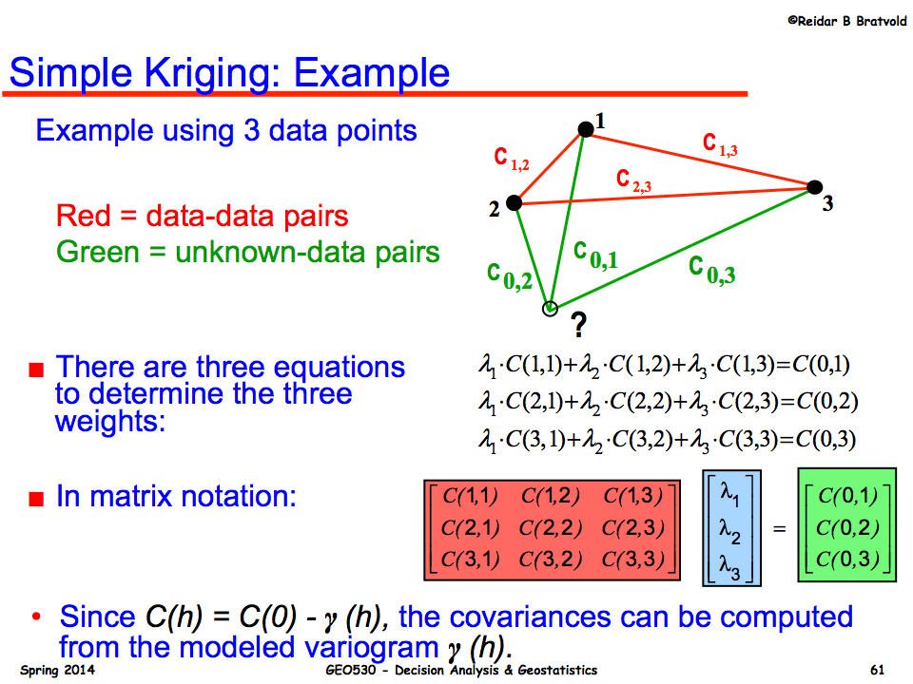
Simple Kriging
- works with residuals about known mean (either global, or local)
- a "trend" is a locally varying mean - remove first |  |  |  |  |  |  |  | Vary U location
 |  |  |  |  |  |  |  | Vary the variogram params
Note : Zs are RESIDUALS |  |  |  | 0.1 |  |  |  | Vary the data locations & values
Data |  |  |  | Weights
Point | X | Y | Z | Soln
1 | -1.00 | 3.00 | 10 | 0.5576
2 | 1.00 | 5.00 | 20 | -0.0279
3 | 8.00 | 3.50 | 30 | 0.0183
U | 0.00 | 0.00 | 5.57 | 0.54797460691

Semi-Variogram (Spherical)
Range | Sill
10 | 3

Distances
Data-Data |  |  |  | Data-U
 | 1 | 2 | 3
1 | 0.00 | 2.83 | 9.01 | 3.16
2 | 2.83 | 0.00 | 7.16 | 5.10
3 | 9.01 | 7.16 | 0.00 | 8.73

 | Semi-Variances |  |  |  |  | Covariances
 | Data-Data |  |  | Data-U |  | Data-Data |  |  | Data-U | M Inverse
 | 0.00 | 1.24 | 2.96 | 1.38 |  | 3.00 | 1.76 | 0.04 | 1.62 | 0.511 | -0.303 | 0.026
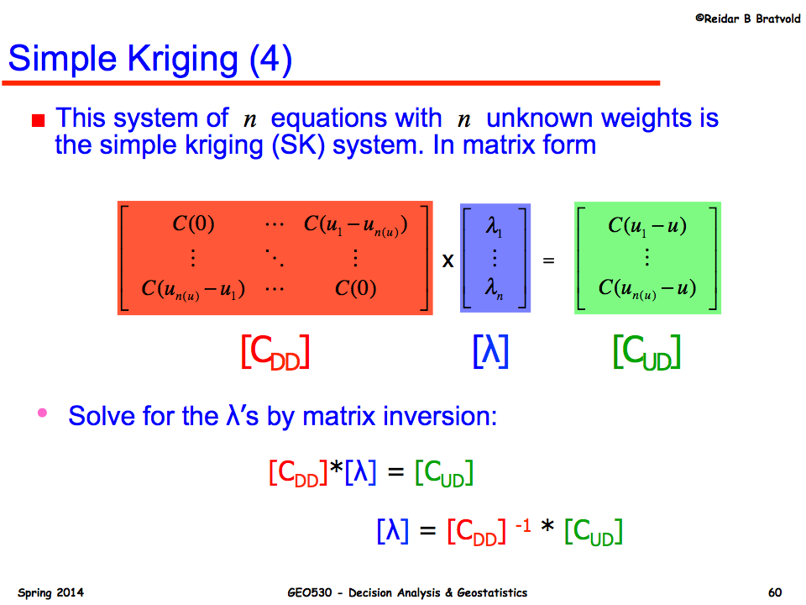
 | 1.24 | 0.00 | 2.67 | 2.10 |  | 1.76 | 3.00 | 0.33 | 0.90 | -0.303 | 0.517 | -0.052
 | 2.96 | 2.67 | 0.00 | 2.93 |  | 0.04 | 0.33 | 3.00 | 0.07 | 0.026 | -0.052 | 0.339

Lecture eg Data
Point | X | Y | Z
1 | -1.00 | 3.00 | 10 |  | Closeness - closer data have larger weight
2 | 1.00 | 5.00 | 30
3 | 8.00 | 3.50 | 20 |  |  | 2.83 | 9.01
U | 0.00 | 0.00 | ? |  |  |  | 7.16

Lecture eg Data - Z equal
Point | X | Y | Z
1 | -1.00 | 3.00 | 10 |  | Changing the values of the data points has no impact on the weights
2 | 1.00 | 5.00 | 10
3 | 8.00 | 3.50 | 10
U | 0.00 | 0.00 | ?

Equi Distant Data
Point | X | Y | Z
1 | -5.00 | 2.89 | 10 |  | Equi-distant, equi-spread data have the same weights (if isotropic variogram)
2 | 5.00 | 2.89 | 30
3 | 0.00 | -5.77 | 20
U | 0.00 | 0.00 | ?

2 Close Points
Point | X | Y | Z
1 | -5.00 | 0.50 | 10 |  | Reundancy - points near each other have less weight
2 | 5.00 | 0.00 | 30
3 | -5.00 | -0.50 | 20
U | 0.00 | 0.00 | ?

Class eg_v2
Simple Kriging
- works with residuals about known mean (either global, or local) |  |  |  |  |  |  |  |  |  | h | gamma
- a "trend" is a locally varying mean - remove first |  |  |  |  |  |  | Vary U location |  |  | 0 | 0
 |  |  |  |  |  |  | Vary the variogram params |  |  | 0.5 | 0.2248125
Note : Zs are RESIDUALS |  |  |  | 0.1 |  |  | Vary the data locations & values |  |  | 1 | 0.4485
-1.00 | 3.00 | 0.1
1.00 | 5.00
8.00 | 3.50
0.00 | 0.00
Data |  |  |  | Weights |  |  |  |  |  | 1.5 | 0.6699375
Point | X | Y | Z | Soln |  |  |  |  |  | 2 | 0.888
1 | -1.00 | 3.00 | 10 |  |  |  |  |  |  | 2.5 | 1.1015625
2 | 1.00 | 5.00 | 30 |  |  |  |  |  |  | 3 | 1.3095
3 | 8.00 | 3.50 | 20 |  |  |  |  |  |  | 3.5 | 1.5106875
U | 0.00 | 0.00 | 20 |  |  |  |  |  |  | 4 | 1.704
 |  |  |  |  |  |  |  |  |  | 4.5 | 1.8883125
Semi-Variogram (Spherical) |  |  |  |  |  |  |  |  |  | 5 | 2.0625
Range | Sill | Mean |  |  |  |  |  |  |  | 5.5 | 2.2254375
10 | 3 | 20 |  |  |  |  |  |  |  | 6 | 2.376
 |  |  |  |  |  |  |  |  |  | 6.5 | 2.5130625
Distances |  |  |  |  |  |  |  |  |  | 7 | 2.6355
Data-Data |  |  |  | Data-U |  |  |  |  |  | 7.5 | 2.7421875
 | 1 | 2 | 3 |  |  |  |  |  |  | 8 | 2.832
1 | 0.00 |  |  |  |  |  |  |  |  | 8.5 | 2.9038125
2 | 0.00 | 0.00 |  |  |  |  |  |  |  | 9 | 2.9565
$$γ\left(h\right)=\left\{\begin{aligned}0 for h=0 \\ 3\left[\frac{3}{2}\left(\frac{h}{10}\right)−\frac{1}{2}{\left(\frac{h}{10}\right)}^{3}\right] for 0<h≤10 \\ 3 for h>10\end{aligned}\right.$$
3 | 0.00 | 0.00 | 0.00 |  |  |  |  |  |  | 9.5 | 2.9889375
 |  |  |  |  |  |  |  |  |  | 10 | 3
 | Semi-Variances |  |  |  |  | Covariances |  |  |  | 10.5 | 3
 | Data-Data |  |  | Data-U |  | Data-Data |  | Data-U | M Inverse | 11 | 3
 |  |  |  |  |  |  |  |  |  | 11.5 | 3
 |  |  |  |  |  |  |  |  |  | 12 | 3
 |  |  |  |  |  |  |  |  |  | 12.5 | 3
 |  |  |  |  |  |  |  |  |  | 13 | 3
Lecture eg Data |  |  |  |  |  |  |  |  |  | 13.5 | 3
Point | X | Y | Z |  |  |  |  |  |  | 14 | 3
1 | -1.00 | 3.00 | 10 |  | Closeness - closer data have larger weight |  |  |  |  | 14.5 | 3
2 | 1.00 | 5.00 | 30 |  |  |  |  |  |  | 15 | 3
3 | 8.00 | 3.50 | 20
U | 0.00 | 0.00 | ?

Lecture eg Data - Z equal
Point | X | Y | Z
1 | -1.00 | 3.00 | 10 |  | Changing the values of the data points has no impact on the weights
2 | 1.00 | 5.00 | 10
3 | 8.00 | 3.50 | 10
U | 0.00 | 0.00 | ?

Equi Distant Data
Point | X | Y | Z
1 | -5.00 | 2.89 | 10 |  | Equi-distant, equi-spread data have the same weights (if isotropic variogram)
2 | 5.00 | 2.89 | 30
3 | 0.00 | -5.77 | 20
U | 0.00 | 0.00 | ?

2 Close Points
Point | X | Y | Z
1 | -5.00 | 0.50 | 10 |  | Reundancy - points near each other have less weight
2 | 5.00 | 0.00 | 30
3 | -5.00 | -0.50 | 20
U | 0.00 | 0.00 | ?

2 Close Points
Point | X | Y | Z
1 | -5.00 | 0.00 | 10
2 | 4.00 | 0.00 | 30
3 | 8.00 | 0.00 | 20
U | 0.00 | 0.00 | ?

